Retention Times Table
Actual Retention Time | Predicted Retention Time | Percentage error
7.7 | 8.3915515422 | 8.981188859
7.2 | 6.9622843147 | 3.30160674
4.3 | 4.4517379102 | 3.52878861
SVR (Halving Search) x Mordred without FS
7.6 | 7.9456518109 | 4.548050143 | Use when talking about histogram
7.5 | 8.053685886 | 7.38247848
14.4 | 12.244655061 | 14.96767319 | Actual RT | Predicted RT | Absolute Error
9.1 | 8.6756550414 | 4.663131413 | 1.4 | 8.12810613 | 6.72810613
7.2 | 6.9698772427 | 3.196149407 | 4.3 | 11.17752256 | 6.87752256
8.3 | 9.0809015756 | 9.408452718 | 15.3 | 13.348031 | 1.951969
11.2 | 11.441011776 | 2.151890854
5.9 | 6.4462210561 | 9.257984001
10.7 | 10.145035161 | 5.186587282
14.1 | 14.456102069 | 2.52554659
12.8 | 11.250109307 | 12.10852104
11.6 | 11.933221383 | 2.872598133
10.1 | 11.435167567 | 13.21948086
4.2 | 3.4606983513 | 17.60242021
5.4 | 6.4766100868 | 19.93722383
7.4 | 8.3729172766 | 13.14753076
10.5 | 9.069066659 | 13.62793658
9.3 | 9.0612607482 | 2.567088729
12.5 | 12.452111628 | 0.3831069743
9.6 | 9.2320318304 | 3.833001767
12.7 | 10.654383574 | 16.10721596
9.8 | 10.023474156 | 2.280348531
6.9 | 7.8683797376 | 14.03448895
7.3 | 7.6387695686 | 4.640679022
8.3 | 8.6015960276 | 3.633687079
5.6 | 6.6284692279 | 18.36552193
4.9 | 6.8955133107 | 40.72476144
5.5 | 5.0544088244 | 8.101657738
2.2 | 3.6430133907 | 65.59151776
10.9 | 9.5934812818 | 11.98641026
5.6 | 7.1579680439 | 27.82085793
12.1 | 9.8919315461 | 18.24849962
12.6 | 11.525038013 | 8.531444342
11.4 | 10.677543242 | 6.337339987
10.1 | 10.147035123 | 0.4656942875
11.5 | 9.7976660605 | 14.80290382
4.1 | 4.242345909 | 3.471851439
11.2 | 11.254511065 | 0.4867059364
1.4 | 8.1281061297 | 480.5790093
4.6 | 7.557431808 | 64.29199583
9.8 | 9.0450014393 | 7.704066946
6.6 | 6.9531804773 | 5.351219353
11.3 | 11.751364532 | 3.994376393
9 | 8.5900544718 | 4.554950314
3.6 | 3.4952301022 | 2.910274938
4.3 | 11.177522563 | 159.9423852
12.1 | 10.12054724 | 16.35911372
10 | 9.8812972884 | 1.187027116
13.8 | 11.017115268 | 20.16583139
9.1 | 9.7998545016 | 7.690708809
4.9 | 8.8335510598 | 80.27655224
10.1 | 9.9299352949 | 1.683808961
7.8 | 8.6752319501 | 11.22092244
14.3 | 13.959726598 | 2.379534277
7.7 | 5.0212738436 | 34.78865138
13.8 | 13.431017954 | 2.673782942
5.5 | 8.0848257148 | 46.99683118
5.7 | 7.9583509411 | 39.62019195
15.3 | 13.348030995 | 12.75796735
2.9 | 4.6838103456 | 61.51070157
6.2 | 5.3581613675 | 13.57804246
8.9 | 8.9198291703 | 0.2227996658
13.6 | 13.344916528 | 1.875613763
8.9 | 6.6169184086 | 25.65260215
11.7 | 11.707554066 | 0.06456466662
9.8 | 10.238155204 | 4.470971465

Scatter Plot
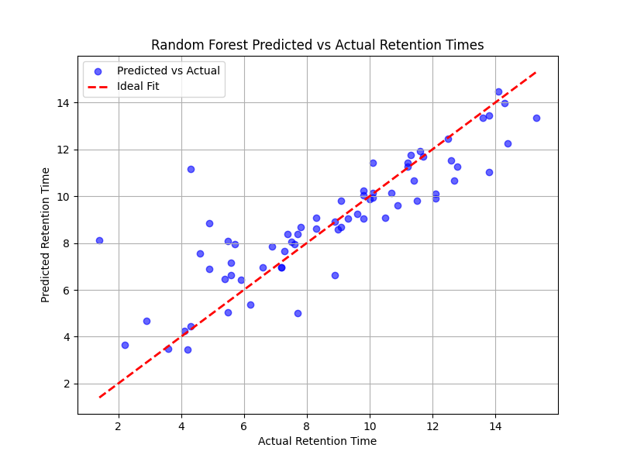

Error Distribution
